U-Core
 |  |  |  |  |  |  |  |  |  |  |  | 0 | #VALUE! | 0 | #VALUE! | 0 | #VALUE! | #VALUE! | 0 | #VALUE! | #VALUE! | #VALUE!
U-CORE QUANTITY ESTIMATION |  |  |  |  |  |  |  |  |  |  |  |  |  |  |  |  |  | #VALUE! | #VALUE! | #VALUE! | #VALUE!

MEASUREMENT UNITS |  |  | Imperial |  | Metric
 |  |  |  |  |  |  |  |  |  |  |  |  |  |  | QUANTITY TOTALS
Select the Wall Product & U-Core Size From the table below

Wall Product |  |  |  |  |  |  | U-Core Unit | U-Core Height |  |  |  |  |  |  | Total U-Core 100 |  |  | #VALUE!
 |  |  |  |  |  |  |  | (mm) |  | (in)

 | U-Cara |  | Pisa |  |  | PisaXL | U-Core 150 | 150mm |  | 5.90” |  |  |  |  | #VALUE! |  |  | #VALUE!
 | PisaSmooth |  | PisaEdge |  |  | Rivercrest | U-Core 170 | 170mm |  | 6.69”
 | SienaSmooth |  | SienaEdge |  |  |  | U-Core 180 | 180mm |  | 7.08”
 | SienaStone |  | SonomaStone |  |  |  | U-Core 185 | 185mm |  | 7.28” |  |  |  |  | Total U-Core Connectors |  |  | #VALUE!
 | Top Layer Patio, Walkways |  |  |  |  |  | U-Core 100 | 100mm |  | 3.94”

RAISED PATIO |  |  |  |  |  |  | STEPS & STAIRS |  |  |  |  |  |  |  | ADD A LANDING

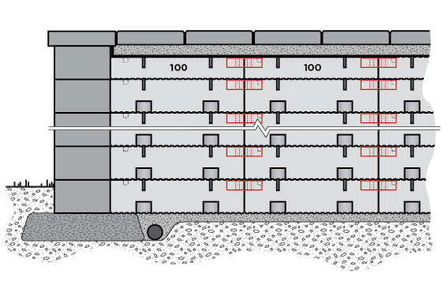
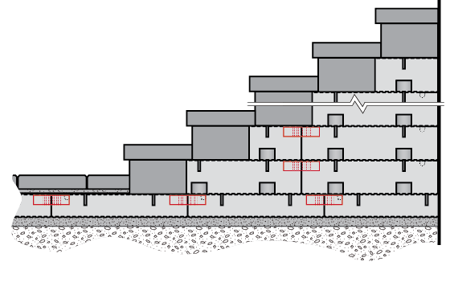
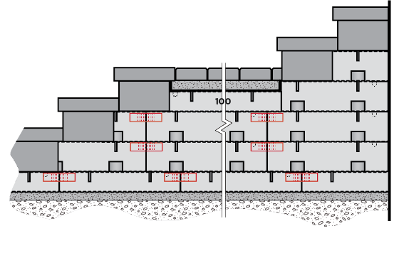

Area of Patio |  | 0 |  | Select Measurement Units |  |  | Tread Depth |  | 0 |  | Select Measurement Units |  |  |  | Length of Landing |  |  | 0 |  | Select Measurement Units

Total Wall Height |  | 0 |  | Select Measurement Units |  |  | Number Of Steps |  | 0 |  |  |  |  |  | Step Number at Landing |  |  | 0

 |  |  |  |  |  |  | For Width subtract block depth on either side as applicable |  |  |  |  |  |  |  | For Width subtract block depth on either side as applicable
Total U-Core 100 |  | #VALUE!
 |  |  |  |  |  |  | Width of Steps |  | 0 |  | Select Measurement Units |  |  |  | Width of Steps |  |  | 0 |  | Select Measurement Units

#VALUE! |  | #VALUE!

 |  |  |  |  |  |  | #VALUE! |  | #VALUE! |  |  |  |  |  | Total U-Core 100 |  |  | #VALUE!

 |  |  |  |  |  |  |  |  |  |  |  |  |  |  | #VALUE! |  |  | #VALUE!

U-Cara |  | For U-Cara Wall Use Only
 |  |  |  |  |  |  |  |  |  |  | For Steps, Stairs and Landings the Total Assumes both sidewalls are Faced.

#VALUE! |  | 0 |  | Select Measurement Units |  |  | #VALUE! |  | #VALUE! |  |  |  |  |  | #VALUE! |  |  | #VALUE!
#VALUE!

#VALUE! |  | #VALUE!
 |  |  |  |  |  |  |  |  |  |  |  |  |  |  | #VALUE! |  |  | #VALUE!

